Лист1
ID | RQ | Summary | Description | Steps to reproduce | Actual result | Expected result | Severity | Priority | Attachment
1 | 9.1 | Incorrect display of number 6 | When you press button 6, the number 9 is displayed on the screen | Click on the button '6' | Number '9' is displayed on the screen | Number '6' is displayed on the screen | Critical | ASAP

2 | 9.1 | Doubling of number 5 | When you press button 5, the number 55 is displayed on the screen | Click on the button '5' | Number '55' is displayed on the screen | Number '5' is displayed on the screen | Critical | ASAP

3 | 9.1 | Empty button display of '8' after pressing it | Empty button display of the '8' after pressing it | Click on the button '8' | The number '8' appears on the screen, the button becomes empty | The number '8' appears on the screen, the button is displayed with '8' | High | High | 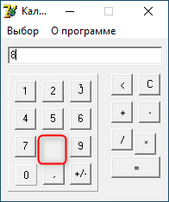

4 | 26 | Impossibility to create a sequence of calculations | There isn't an opportunity to create a sequence of calculations | 1. Click on the number | Incorrect result is displayed on the screen | Correct result is displayed on the screen | Critical | ASAP
 |  |  |  | 2. Click on the arithmetical button
 |  |  |  | 3. Click on the number
 |  |  |  | 4. Click on the arithmetical button
 |  |  |  | 5. Click on number
 |  |  |  | 6. Click on the arithmetical button '='
5 | 22 | The button '0' turns blue after clicking | The button '0' turns blue after clicking it | Click on the button '0' | The number '0' appears on the screen, the button '0' becomes blue | The number '0' appears on the screen, the button '0' remains unchanged | Normal | Normal | 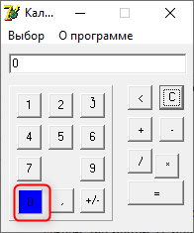

6 | 26 | Impossibility to see the actions performed | The input field becomes empty after pressing arithmetic buttons | 1.Click on the number | Empty input field on the screen | The actions performed appear on the screen | Normal | Normal

 |  |  |  | 2. Click on the arithmetical button
7 | 26 | The result appears after pressing the arithmetic button '√' | The result appears after pressing the arithmetic button '√' instead of '=' | 1.Click on the number | Result appears in the output field | √(number)' appears in the input field | Normal | Normal

 |  |  |  | 2. Click on the arithmetical button '√'
8 | 8 | The default value in the I/O field is empty | The default value in the I/O field is empty with blinking cursor | Open the app | Empty I/O field with blinking cursor | '0' appears on the screen | Normal | Normal | 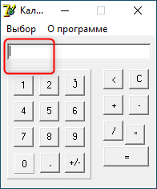

9 | 26 | The result appears after pressing the arithmetic button 'x2' | The result appears after pressing the arithmetic button 'x2' instead of '=' | 1.Click on the number | Result appears in the output field | sqr(number)' appears in the input field | Normal | Normal

 |  |  |  | 2. Click on the arithmetical button 'x2'
10 | 9.1 | The button '3' has the wrong font style | The button '3' has the wrong font style (does not match the layout) | Open the app | The button '3' has the wrong font style | The button '3' has the right font style | Normal | Normal | 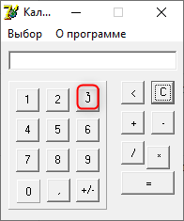

11 | 9.2 | The button 'x2' does not match the layout | The button 'x2' does not match the layout | Open the app | The button 'x2' does not match the layout | The button 'x2' match the layout | High | High | 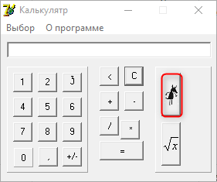

12 | 9 | The button '*' does not match the layout | The button '*' does not match the layout, has the wrong location on the screen | Open the app | The button '*' does not match the level of other buttons | The button '*' match the level of other buttons | Normal | Normal | 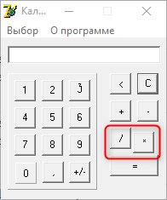

13 | 17 | In the top left corner there isn't a small picture of calculator | When the app opens, there isn't a small picture of calculator in the top left corner | Open the app | There isn't a small picture of calculator in the top left corner | There is a small picture of calculator in the top left corner | Normal | Normal

14 | 17 | In scientific mode the name of the application has spelling mistake | In scientific mode the name of the application has spelling mistake | 1. Open the app | Calculatr' in the top left corner of the application | Calculator' in the top left corner of the application | Normal | Normal | 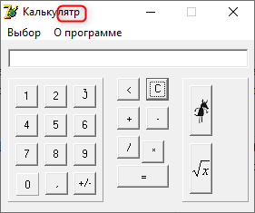

 |  |  |  | 2. Switch to scientific mode
15 | 9 | Expand button is not available | When you click on the expand button, the application does not react at all | Click the expand button | The application does not react | The application expands to full screen | Normal | Normal

16 | 9.1 | Incorrect display of number 9 | When you press button 9, the number 6 is displayed on the screen | Click on the button '9' | Number '6' is displayed on the screen | Number '9' is displayed on the screen | Critical | ASAP

17 | 10 | Input field must contain 21 signs | It is a possibility to enter 21 signs in the input field | Enter 21 signs | 21 signs in the input field | 20 signs max in the input field | High | High

18 | 28 | Option 'Инженерный' in menu bar has spelling mistake | After pressing option 'Выбор', оption 'Инженерный' in menu bar has spelling mistake | Switch 'Выбор' | Option 'Инжинерный' in menu bar | Option 'Инженерный' in menu bar | High | Normal

19 | 28 | User guide exceeds screen size after clicking the option 'О программе' | User guide exceeds screen size after pressing option 'О программе' | Switch 'О программе' | User guide exceeds screen size | User guide appears | Normal | Normal | 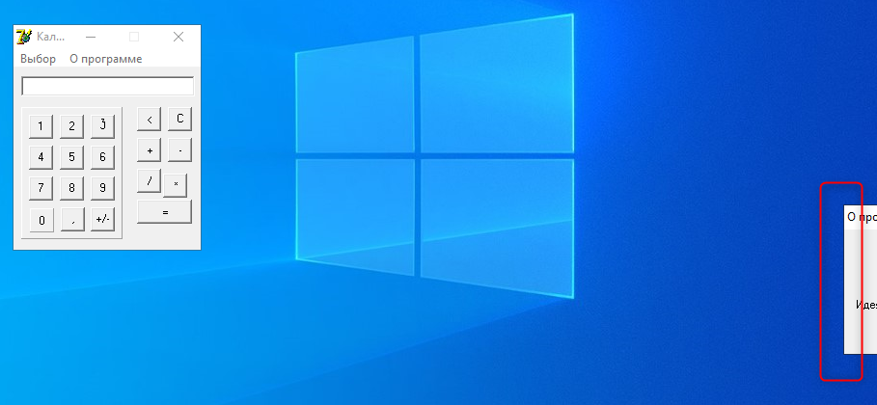

20 | 27 | Incorrect result after division by Zero | Incorrect result after division by Zero | 1. Click on the number | Incorrect result is displayed on the screen | 0' is displayed on the screen | Critical | ASAP
 |  |  |  | 2. Click on the arithmetical button '/'
 |  |  |  | 3. Click on the number '0'
 |  |  |  | 4. Click on the arithmetical button '='
21 | 27 | Incorrect result after multiplication by Zero | Incorrect result after multiplication by Zero | 1. Click on the number | Incorrect result is displayed on the screen | 0' is displayed on the screen | Critical | ASAP
 |  |  |  | 2. Click on the arithmetical button '*'
 |  |  |  | 3. Click on the number '0'
 |  |  |  | 4. Click on the arithmetical button '='
22 | 27 | Error after squaring root extraction of negative number | An error message appears after squaring root extraction of negative number | 1. Click on the number | Error is displayed on the screen | 0' is displayed on the screen | High | High
 |  |  |  | 2. Click on the arithmetical button '+/-'
 |  |  |  | 3. Click on the arithmetical button '√'
23 | 9 | The button '0' has the wrong cell style | The button '0' has the wrong cell style (does not match the layout) | Open the app | The button '0' has the wrong cell style | The button '0' has the right font style | Normal | Normal | 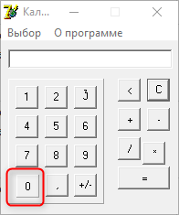

24 | 22.1 | Incorrect addition of negative numbers | Incorrect result after addition of negative numbers | 1. Click on the number | Incorrect result is displayed on the screen | Correct result is displayed on the screen | Critical | ASAP
 |  |  |  | 2. Click on the arithmetical button '+/-'
 |  |  |  | 3. Click on the arithmetical button '+'
 |  |  |  | 4. Click on the number
 |  |  |  | 5. Click on the arithmetical button '+/-'
 |  |  |  | 6. Click on the arithmetical button '='
25 | 22.2 | Incorrect subtraction of negative numbers | Incorrect result after subtraction of negative numbers | 1. Click on the number | Incorrect result is displayed on the screen | Correct result is displayed on the screen | Critical | ASAP
 |  |  |  | 2. Click on the arithmetical button '+/-'
 |  |  |  | 3. Click on the arithmetical button '-'
 |  |  |  | 4. Click on the number
 |  |  |  | 5. Click on the arithmetical button '+/-'
 |  |  |  | 6. Click on the arithmetical button '='
26 | 9 | Error after clicking on the area with numbers | An error message appears after clicking on the area with numbers | Click on the area with numbers | Error is displayed on the screen | No reaction | Normal | Normal | 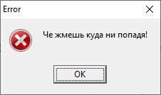

27 | 9 | Сlosing the application after clicking 'OK' on the error notification | An error message appears after 3 clicking on the area with numbers and the application closes after clicking 'OK' on the error notification | 1. 3-Click on the area with numbers | The application closes | Error notification closes | Normal | Normal

 |  |  |  | 2. Click on 'OK'
28 | 24 | In “Инженерный” mode the area with 2 additional operations becomes green after clicking 'О программе' and then 'Выбор' - 'Инженерный' | In “Инженерный” mode the area with 2 additional operations becomes green after clicking 'О программе' and then 'Выбор' - 'Инженерный' | 1. Click on 'О программе' | The area with 2 additional operations becomes green | The area with 2 additional operations matches the layout | Normal | Normal | 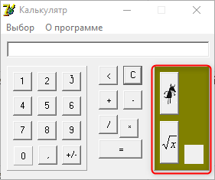
 |  |  |  | 2. Click on 'Выбор'
 |  |  |  | 3. Click on 'Инженерный'
29 | 9 | Possibility of entering multiple zeros | Possibility of entering multiple zeros | 1.Click on '0' | 000' is displayed on the screen | 0' is displayed on the screen | Normal | Normal | 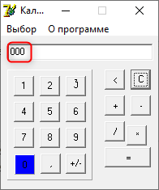

 |  |  |  | 2. Click on '0'
 |  |  |  | 3. Click on '0'

